Limitations and Caveats

 | Hawai`i Department of Human Services Med-QUEST Division | Illustrative Example Medicaid FFS Allowed Amount
 | July 2022 DRG Calculator Version 1.3 - DRAFT | Does Not Represent Actual Claim Payment
 | Proposed Medicaid FFS Rates Effective July 1, 2022 | PROPOSED RATES SUBJECT TO CMS APPROVAL
 | Limitations and Caveats

The purpose of the July 2022 Hawai`i DRG Calculator is to demonstrate an illustrative allowed amount for an example Medicaid FFS inpatient claim for in-state acute hospitals reimbursed under the State of Hawai`i Med-QUEST Division's (MQD's) proposed new inpatient payment methodology using 3M™ All Patient Refined Diagnosis Related Groups (APR DRGs), based on data inputs entered by the user. Users should review its worksheets in their entirety, including the Overview, Contents, and Instructions worksheets, before using the tool. Any user of this tool must possess a certain level of expertise in health care finance that will allow appropriate use of the data and results presented.

This July 2022 Hawai'i DRG Calculator version represents MQD’s proposed methodology as reflected in its public notice and in its State Plan Amendment submitted to the Centers for Medicare and Medicaid Services (CMS). MQD’s proposed APR DRG model is subject to change based on the CMS approval process.

It is important that all users be aware of the limitations of this tool:
- This tool is for illustrative, informational purposes only and should not be relied upon to determine actual claim payment. - This tool does not include all of MQD's Medicaid FFS inpatient rate factors, claim payment scenarios, and other claim adjustments included in MQD's Medicaid Management Information System (MMIS). - Actual Medicaid FFS claim payments will be determined by the MMIS during the claim adjudication process; in the event of differences between the actual Medicaid FFS claim payment and the results of this tool, the actual claim payment should be considered correct. - This tool does not reflect adjustments for patient paid amounts, Third Party Liabilities, or negotiated Managed Care Organization rates.
The tool contains information produced, in part, by using 3M Company’s proprietary computer software created, owned and licensed by 3M Company. All copyrights in and to the 3M Software are owned by 3M Company or its affiliates. All rights reserved. 3M has no responsibility for the contents of this tool.

Table 1 | Hospital Rate Factors

 | Hawai`i Department of Human Services Med-QUEST Division |  |  |  |  |  |  |  | Illustrative Example Medicaid FFS Allowed Amount
 | July 2022 DRG Calculator Version 1.3 - DRAFT |  |  |  |  |  |  |  | Does Not Represent Actual Claim Payment
 | Proposed Medicaid FFS Rates Effective July 1, 2022 |  |  |  |  |  |  |  | PROPOSED RATES SUBJECT TO CMS APPROVAL
 | Table 1: Hospital Rate Factors

Hospital Billing NPI | Provider ID | Medicare ID | Facility Name | DRG Standardized Amount | Indirect Medical Education (IME) Factor | DRG Base Rate | Operating Outlier Cost-to-Charge Ratio (CCR) | Capital Outlier CCR | Combined Outlier CCR
1316937691 | 082268 | 120006 | CASTLE MEDICAL CENTER | $11,578.24 | 0.0000 | $11,578.24 | 0.3020 | 0.0140 | 0.3160
1780757856 | 251745 | 120005 | HILO MEDICAL CENTER | $6,368.03 | 0.0243 | $6,522.77 | 0.4230 | 0.0210 | 0.4440
1043263080 | 085498 | 123300 | KAPIOLANI MEDICAL CENTER FOR WOMEN & CHILDREN | $11,578.24 | 0.1013 | $12,751.12 | 0.3180 | 0.0190 | 0.3370
1952332991 | 005774 | 120019 | KONA COMMUNITY HOSPITAL | $6,368.03 | 0.0000 | $6,368.03 | 0.5230 | 0.0320 | 0.5550
1215939335 | 006236 | 120007 | KUAKINI MEDICAL CENTER | $11,578.24 | 0.0504 | $12,161.78 | 0.3840 | 0.0280 | 0.4120
1013379460 | 803678 | 120002 | MAUI MEMORIAL MEDICAL CENTER - GENERAL | $11,578.24 | 0.0000 | $11,578.24 | 0.4570 | 0.0090 | 0.4660
1477559029 | 078352 | 120028 | NORTH HAWAII COMMUNITY HOSPITAL | $11,578.24 | 0.0000 | $11,578.24 | 0.2930 | 0.0320 | 0.3250
1013961408 | 085499 | 120026 | PALI MOMI MEDICAL CENTER | $11,578.24 | 0.0394 | $12,034.42 | 0.3270 | 0.0200 | 0.3470
1720031701 | 506074 | 120022 | STRAUB CLINIC AND HOSPITAL | $11,578.24 | 0.0305 | $11,931.38 | 0.3050 | 0.0160 | 0.3210
1184612764 | 490417 | 120001 | THE QUEEN'S MEDICAL CENTER - GENERAL | $11,578.24 | 0.0724 | $12,416.50 | 0.2650 | 0.0200 | 0.2850
1689643553 | 490368 | 120004 | WAHIAWA GENERAL HOSPITAL | $11,578.24 | 0.0079 | $11,669.71 | 0.4710 | 0.0170 | 0.4880
1225113442 | 085500 | 120014 | WILCOX MEMORIAL HOSPITAL | $11,578.24 | 0.0000 | $11,578.24 | 0.3380 | 0.0170 | 0.3550
1396813861 | 082521 | 120011 | KAISER FOUNDATION HOSPITAL | $11,578.24 | 0.0111 | $11,706.76 | 0.3640 | 0.0220 | 0.3860
1316065360 | 684804 | 123301 | SHRINERS HOSPITAL FOR CHILDREN | $11,578.24 | 0.0000 | $11,578.24 | 0.3180 | 0.0190 | 0.3370

Sources:
Indirect Medical Education (IME) Factor: Based on data from the Medicare IPPS FFY 2021 Final Rule Impact File, except for Kapiolani,
which based on its FYE 2019 Medicare cost report.
Outlier Cost-to-Charge Ratios (CCRs): based on hospital-specific combined operating and capital outlier CCRs from the Medicare IPPS FFY 2022 Final Rule Impact File,
except for Kapiolani and Shriners, which are based on the statewide Hawai`i urban outlier CCRs from Medicare IPPS FFY 2022 Final Rule (tables 8A and 8B).

Table 3 | Grouper Settings
Hawai`i Department of Human Services Med-QUEST Division | Illustrative Example Medicaid FFS Allowed Amount
July 2022 DRG Calculator Version 1.3 - DRAFT | Does Not Represent Actual Claim Payment
Proposed Medicaid FFS Rates Effective July 1, 2022 | PROPOSED RATES SUBJECT TO CMS APPROVAL
Hawai'i Medicaid APR DRG v37.1 Grouper Settings

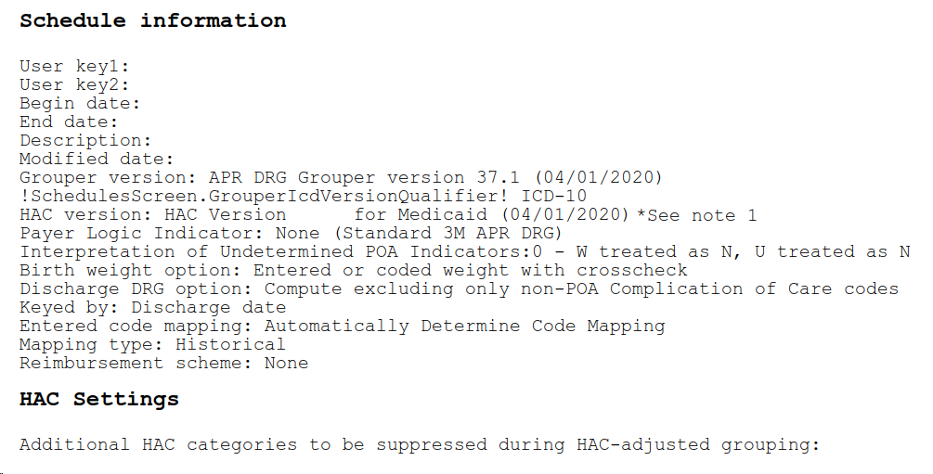

Notes:
(1) - User should select the most recent HAC version available. HAC version 37.1 is selected above for illustration purposes only.

