Table 3 | Grouper Settings
Hawai`i Department of Human Services Med-QUEST Division | Illustrative Example Medicaid FFS Allowed Amount
January 2026 DRG Calculator Version 1.0 | Does Not Represent Actual Claim Payment
Medicaid FFS Rates Effective January 1, 2026
Hawai'i Medicaid APR DRG v37.1 Grouper Settings

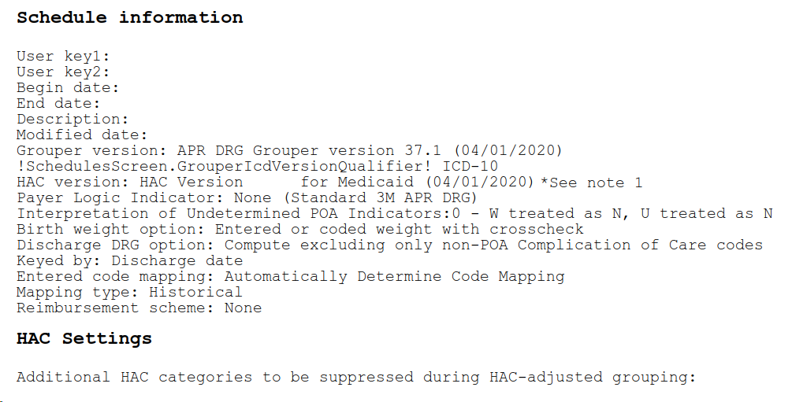

Notes:
(1) - User should select the most recent HAC version available. HAC version 37.1 is selected above for illustration purposes only.

