Instructions

State of Hawai`i Med-QUEST Division (MQD)
2026 Hospital Quality Pay-for-Performance Program
Quality Measure Reporting Template

Instructions

Please complete all applicable tabs within this workbook. Once data is entered, please ensure you have saved your changes prior to submission.
Note that sheets will be patterned as follows:
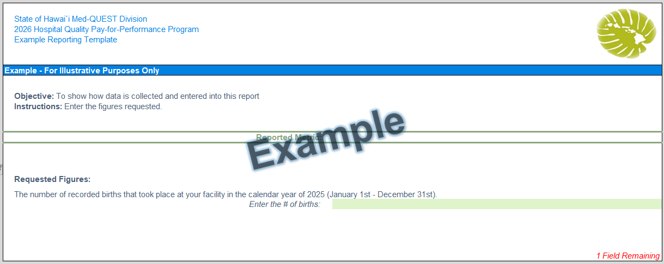

o The final reported measure from a page is outlined in green bars.

o Areas requiring interactions, selections, or entries will be highlighted in green.

o The number of fields remaining from a page is shown in the bottom right.

Contact:
Mary Bedell, Senior Director of Quality, Healthcare Association of Hawai`i (HAH) at mbedell@hah.org

Memo:
QI-2607 FFS 26-03 CCS-2602 2026 Hospital Quality P4P_final 3.12.2026

Step | Status
1) Complete "Step 1 | Contact Information" Tab | 7 Fields Remaining
2) Complete "Step 2 | Measure #3" Tab | Please fill out ''Step 1 | Contact Information'' to update this measure's Status
3) Complete "Step 3 | Measure #4" Tab | Please fill out ''Step 1 | Contact Information'' to update this measure's Status
4) Complete "Step 4 | Measure #6" Tab | Please fill out ''Step 1 | Contact Information'' to update this measure's Status
5) Complete "Step 5 | Measure #7" Tab | 8 Fields Remaining
7) Follow directions below for submission

This report is not ready for submission

Submission:
Once your template is complete, confirm your reported metrics on "Overview" and please email to:
Mary Bedell at: mbedell@hah.org
Save your template as "Quality Measures Report 20YY_Hospital Name.xlsx"
Healthcare Association of Hawaii (HAH) will compile responses and send to MQD.

Completion of this workbook does not require Protected Health Information (PHI) or Personally Identifiable Information (PII). PHI or PII should not be included in this workbook
or in any transmittal with this workbook attached.

 | Version 1.00

Step 2 | Measure #3
Example

Example
State of Hawai`i Med-QUEST Division (MQD)
2026 Hospital Quality Pay-for-Performance Program
Measure 3 Reporting Template

OP-18 Time from ED Admit to Discharge | -Paste Admission Times Below- | -Paste Discharge Times Below-

Objective: To reduce the overall time spent by patients in the ED (from arrival to discharge).
Instructions: For each CY 2026 Medicaid ED outpatient service, please enter the date and time for each admission and discharge in columns E and F.
Please use the following format: "MM/DD/YYYY HH:MM" (Example shown in the upper right)
Please complete 'Step 1 | Contact Information'
Reported Metric:

2a) Paste your times in column 'F' & 'G'.

- Provide any additional comments below -

